CFC estimates
AVERAGE ANNUAL PROPORTION Consumption of Fixed Capital / Gross National Income | COUNTRIES THAT REPORT CONSUMPTION OF FIXED CAPITAL:
Blue is high income, red is upper middle income, green is lower middle income, yellow is low income. | (In UN National Accounts Statistics, Main Aggregates and Detailed Tables)
 | High income | Upper middle income | Lower middle income |  | Low income
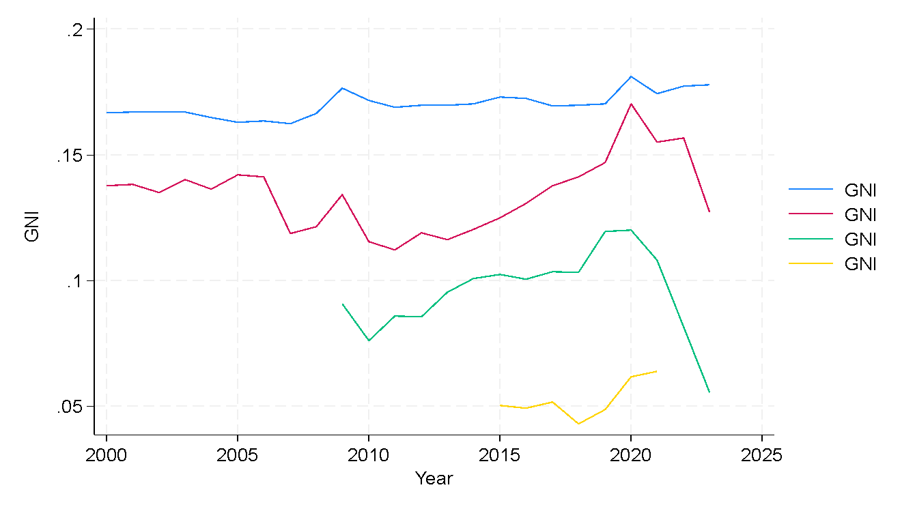
 | Australia | Armenia | India |  | Burkina Faso
 | Austria | Botswana | Kenya |  | Niger
 | Belgium | Dominican Republic | Kyrgyzstan
 | Bermuda | Ecuador | Philippines
 | Bulgaria | Georgia | Sri Lanka
 | Canada | Indonesia | Tunisia
 | Cayman Islands | Iran (Islamic Republic of)
 | Croatia | Mexico
 | Cyprus | Mongolia
 | Czechia | Namibia |  | Lower-middle income countries hover around 10%, low around 5%.
 | Denmark | North Macedonia |  | Split the difference and assume 7.5% for Nepal.
 | Estonia | Serbia
 | Finland | South Africa
 | France | Thailand
 | Germany | Tonga
 | Greece | Turkiye
 | Hungary | Ukraine
 | Iceland
 | Ireland
 | Israel
 | Italy
 | Japan
 | Latvia
 | Liechtenstein
 | Lithuania
 | Luxembourg
 | Malta
 | Netherlands
 | New Zealand
 | Norway
 | Poland
 | Portugal
 | Republic of Korea
 | Romania
 | Russian Federation
 | Slovakia
 | Slovenia
 | Spain
 | Sweden
 | Switzerland
 | United Kingdom
 | United States

 |  |  |  |  | 0.22222222222

GOS vs GMI estimates
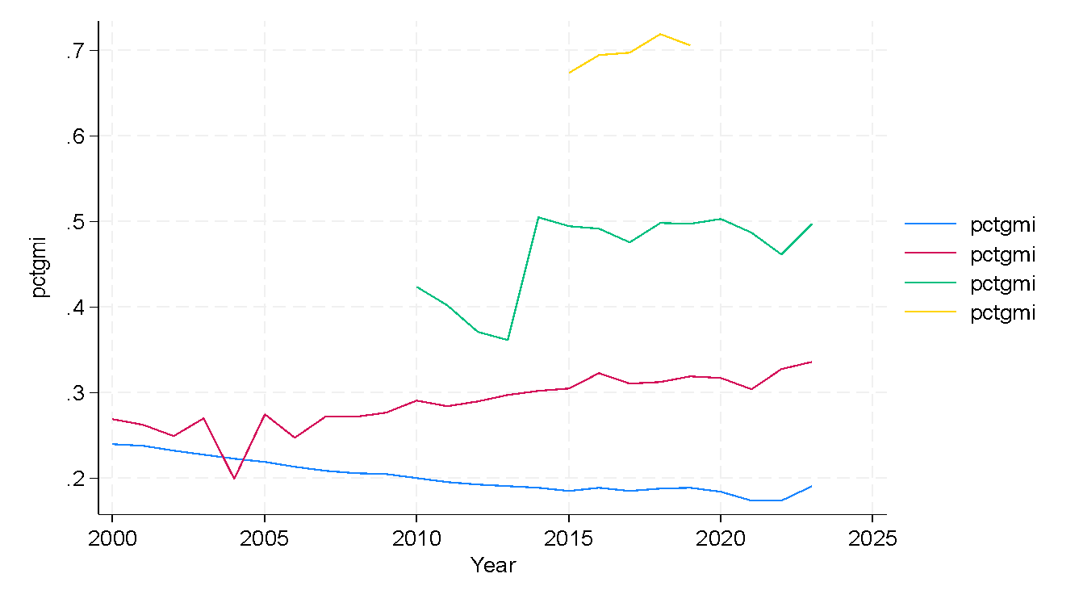
AVERAGE ANNUAL PROPORTION GMI/(GMI+GOS) | COUNTRIES THAT REPORT GROSS MIXED INCOME SEPERATELY FROM GROSS OPERATING SURPLUS: |  |  |  |  | ANNUAL GOS / (GOS+GMI) FOR COUNTRIES REPORTING BOTH, SORTED BY INCOME GROUP (possible peer countries in 2020-2022 are highlighted)
Blue is high income, red is upper middle income, green is lower middle income, yellow is low income. | (In UN National Accounts Statistics, Main Aggregates and Detailed Tables) |  |  |  |  |  | Incomegroup | 2000 | 2001 | 2002 | 2003 | 2004 | 2005 | 2006 | 2007 | 2008 | 2009 | 2010 | 2011 | 2012 | 2013 | 2014 | 2015 | 2016 | 2017 | 2018 | 2019 | 2020 | 2021 | 2022 | 2023 | incgrp
 | High income | Upper middle income | Lower middle income |  | Low income | Australia | High income | 0.1906144 | 0.2297923 | 0.1996413 | 0.2144615 | 0.2220961 | 0.2034054 | 0.1864266 | 0.1999619 | 0.1871964 | 0.1951779 | 0.1927118 | 0.1843093 | 0.1843096 | 0.1874593 | 0.211166 | 0.2125304 | 0.2085228 | 0.1990994 | 0.1847983 | 0.1806805 | 0.1888924 | 0.1642793 | 0.1478369 |  | 1
 | Australia | Argentina | Kyrgyzstan |  | Niger | Austria | High income | 0.2074106 | 0.2025214 | 0.2011488 | 0.1997343 | 0.1922343 | 0.1820079 | 0.174702 | 0.1714387 | 0.1812355 | 0.1867014 | 0.1890461 | 0.1880328 | 0.1908954 | 0.1907827 | 0.1847349 | 0.1785107 | 0.1786817 | 0.1813542 | 0.1789213 | 0.1801704 | 0.1709685 | 0.1697984 | 0.179976 |  | 1
 | Austria | Belarus | Senegal |  |  | Belgium | High income | 0.2203892 | 0.2225169 | 0.212424 | 0.2070258 | 0.1968762 | 0.1897852 | 0.1884542 | 0.1816809 | 0.1873353 | 0.1919901 | 0.1823723 | 0.1800161 | 0.183767 | 0.1831326 | 0.1819709 | 0.1767478 | 0.1720523 | 0.1713898 | 0.1692266 | 0.1659032 | 0.1586388 | 0.1536586 | 0.149717 |  | 1
 | Belgium | Brazil | Sri Lanka |  |  | Bulgaria | High income | 0.3376911 | 0.2575824 | 0.24107 | 0.2526965 | 0.25674 | 0.2669842 | 0.2787685 | 0.2996799 | 0.3252414 | 0.2310079 | 0.2134753 | 0.2239125 | 0.1994788 | 0.1826904 | 0.1781266 | 0.1403436 | 0.1505366 | 0.0752738 |  |  |  |  |  |  | 1
 | Bulgaria | Colombia | Zambia |  |  | Canada | High income | 0.313187 | 0.3186406 | 0.3191496 | 0.3071656 | 0.2990086 | 0.2852471 | 0.2848148 | 0.2897948 | 0.2824051 | 0.3258931 | 0.3068582 | 0.2934813 | 0.3010016 | 0.2990121 | 0.2896011 | 0.3178323 | 0.3172306 | 0.3063674 | 0.3049317 | 0.3119454 | 0.3100195 | 0.2859951 | 0.2826363 | 0.3154841 | 1
 | Canada | Dominican Republic |  |  |  | Croatia | High income | 0.3428036 | 0.3325471 | 0.3158858 | 0.282374 | 0.2821201 | 0.2670871 | 0.2445609 | 0.2297264 | 0.2072634 | 0.2160938 | 0.203461 | 0.1954027 | 0.1882343 | 0.1922705 | 0.1801813 | 0.1813483 | 0.1816865 | 0.1852873 | 0.1860629 | 0.2022992 | 0.1832392 |  |  |  | 1
 | Croatia | El Salvador |  |  |  | Cyprus | High income | 0.1909519 | 0.1875874 | 0.1951774 | 0.2033166 | 0.2011615 | 0.2018436 | 0.2010224 | 0.2058739 | 0.2049862 | 0.2206868 | 0.2206136 | 0.2120507 | 0.2077076 | 0.1932328 | 0.1868673 | 0.1718126 | 0.1608856 | 0.1601494 | 0.1555948 | 0.145896 | 0.1364059 | 0.1224072 | 0.1136473 |  | 1
 | Cyprus | Georgia |  | See bottom-right of this tab for details on assumption. |  | Czechia | High income | 0.2900743 | 0.2800903 | 0.2820664 | 0.2795665 | 0.2715007 | 0.2578683 | 0.2469608 | 0.2341578 | 0.2296579 | 0.2441924 | 0.2445707 | 0.2395877 | 0.2323771 | 0.2260494 | 0.2160306 | 0.2098605 | 0.2069699 | 0.2069814 | 0.2110178 | 0.203798 | 0.1963212 | 0.1878631 | 0.1801269 |  | 1
 | Czechia | Guatemala |  |  |  | Denmark | High income | 0.1652669 | 0.1803509 | 0.1754104 | 0.167887 | 0.1623828 | 0.1572093 | 0.1500836 | 0.148766 | 0.1399758 | 0.1436592 | 0.1251697 | 0.1236252 | 0.1287668 | 0.1320636 | 0.11522 | 0.1037001 | 0.1009692 | 0.1087614 | 0.1035009 | 0.1046848 | 0.1112069 | 0.0987933 | 0.0872247 |  | 1
 | Denmark | Indonesia |  |  |  | Estonia | High income | 0.2789509 | 0.2523294 | 0.238276 | 0.216367 | 0.2107802 | 0.1966148 | 0.1854188 | 0.1860873 | 0.1886903 | 0.2144872 | 0.1842664 | 0.1665244 | 0.1629018 | 0.1589852 | 0.1513715 | 0.1494745 | 0.1436396 | 0.1352389 |  |  |  |  |  |  | 1
 | Estonia | Iran (Islamic Republic of) |  |  |  | Finland | High income | 0.1288809 | 0.125093 | 0.1260804 | 0.126927 | 0.1231284 | 0.1260908 | 0.1265798 | 0.1290419 | 0.1256883 | 0.1411352 | 0.1372935 | 0.132511 | 0.1372202 | 0.133785 | 0.1313395 | 0.1271198 | 0.1256723 | 0.1187076 | 0.1192234 | 0.1197691 | 0.1176002 | 0.1197112 | 0.1150383 | 0.115479 | 1
 | Finland | Malaysia |  |  |  | France | High income | 0.2007382 | 0.2024145 | 0.2042211 | 0.2008591 | 0.1979364 | 0.1925704 | 0.1896351 | 0.1837139 | 0.1806827 | 0.177809 | 0.1734877 | 0.170095 | 0.1711315 | 0.1654428 | 0.1633754 | 0.1561576 | 0.1549111 | 0.1555504 | 0.1545964 | 0.1495531 | 0.1569343 | 0.1487966 | 0.1512696 |  | 1
 | France | Mexico |  |  |  | Germany | High income | 0.2569685 | 0.2396397 | 0.2321236 | 0.2255294 | 0.2177575 | 0.216494 | 0.2119866 | 0.2046313 | 0.2185498 | 0.2092302 | 0.2121463 | 0.2184654 | 0.2222767 | 0.2233448 | 0.2185124 | 0.2117826 | 0.2063122 | 0.2056363 | 0.2049849 | 0.2084172 | 0.2089087 | 0.1977284 | 0.1998857 | 0.1924444 | 1
 | Germany | Mongolia |  |  |  | Greece | High income | 0.4835942 | 0.4889948 | 0.4969916 | 0.5036255 | 0.4890998 | 0.4773184 | 0.4901844 | 0.474256 | 0.4560355 | 0.4551145 | 0.4238838 | 0.4093075 | 0.4077806 | 0.407561 | 0.3973206 | 0.4300764 | 0.4339282 | 0.4216065 | 0.4228007 | 0.4676238 | 0.4311528 | 0.4419286 | 0.4306941 |  | 1
 | Greece | Paraguay |  |  |  | Hungary | High income | 0.3014868 | 0.3019692 | 0.275446 | 0.2710862 | 0.2622482 | 0.2628034 | 0.2344604 | 0.2315728 | 0.2352545 | 0.21985 | 0.208399 | 0.2128667 | 0.2078503 | 0.204264 | 0.2013653 | 0.1945421 | 0.2029681 | 0.2001776 | 0.2050009 | 0.2072436 | 0.1983881 | 0.1971701 | 0.1928712 |  | 1
 | Hungary | Peru |  |  |  | Iceland | High income | 0.154833 | 0.1212136 | 0.0980229 | 0.097779 | 0.0893071 | 0.0925779 | 0.0951108 | 0.085998 | 0.056461 | 0.0433661 | 0.0442527 | 0.0482646 | 0.0529361 | 0.053939 | 0.0576096 | 0.0543067 |  |  |  |  |  |  |  |  | 1
 | Iceland | Republic of Moldova |  |  |  | Ireland | High income | 0.1908353 | 0.1797355 | 0.1444476 | 0.1492868 | 0.1569545 | 0.1667776 | 0.1639107 | 0.1687545 | 0.1721725 | 0.1553209 | 0.1408003 | 0.150791 | 0.141642 | 0.1384463 | 0.1318696 | 0.0855346 | 0.0901722 | 0.0839149 | 0.0749191 | 0.0710955 | 0.0620987 | 0.059515 | 0.056089 |  | 1
 | Ireland | Serbia |  |  |  | Israel | High income | 0.0804846 | 0.0826522 | 0.0796374 | 0.0799099 | 0.0835582 | 0.0900869 | 0.0918885 | 0.0896189 | 0.0944813 | 0.0861544 | 0.0864141 | 0.0815265 | 0.0837252 | 0.0791651 | 0.0796186 | 0.0858696 | 0.0904734 | 0.0969019 | 0.0995611 | 0.0918126 | 0.0924869 | 0.0933759 | 0.0946773 |  | 1
 | Israel | Thailand |  |  |  | Italy | High income | 0.3242185 | 0.3157608 | 0.3142925 | 0.3142973 | 0.311804 | 0.3049304 | 0.3001197 | 0.2973034 | 0.2936008 | 0.2979254 | 0.2910633 | 0.2875877 | 0.3028302 | 0.2982042 | 0.2956532 | 0.2897969 | 0.2784729 | 0.2768035 | 0.2775781 | 0.2678028 | 0.2661265 | 0.2611085 | 0.2498571 | 0.2427872 | 1
 | Italy | TÃƒÂ¼rkiye |  |  |  | Japan | High income | 0.1373212 | 0.1270821 | 0.1242542 | 0.1211876 | 0.1111793 | 0.103805 | 0.0975794 | 0.0928864 | 0.089331 | 0.0964405 | 0.0872628 | 0.080834 | 0.0819371 | 0.0814073 | 0.0801001 | 0.0801632 | 0.077606 | 0.0761247 | 0.0636041 | 0.0635989 | 0.0620593 | 0.0580481 | 0.0563288 |  | 1
 | Japan |  |  |  |  | Latvia | High income | 0.1454961 | 0.138572 | 0.1315714 | 0.127932 | 0.1427023 | 0.1436388 | 0.1409991 | 0.1372354 | 0.1408072 | 0.1407678 | 0.1515637 | 0.151328 | 0.1378623 | 0.1193805 | 0.1138768 | 0.1159617 | 0.123386 | 0.1351064 | 0.1267122 | 0.2090016 | 0.1413554 | 0.1132297 | 0.1008255 |  | 1
 | Latvia |  |  |  |  | Liechtenstein | High income |  |  |  |  |  |  |  |  |  |  |  |  |  | 0.1807154 | 0.1780068 | 0.1768601 | 0.1628084 | 0.1590781 | 0.1641008 | 0.1900437 | 0.1929885 | 0.1534996 |  |  | 1
 | Liechtenstein |  |  |  |  | Lithuania | High income | 0.2828165 | 0.2404332 | 0.2220982 | 0.2107519 | 0.2015765 | 0.1976039 | 0.1873906 | 0.1619393 | 0.1580878 | 0.1539391 | 0.1327291 | 0.1251957 | 0.1355374 | 0.1333816 | 0.1355623 | 0.1505206 | 0.1476554 | 0.1443043 | 0.1372347 | 0.1336436 | 0.1454419 | 0.1412674 | 0.1332566 |  | 1
 | Lithuania |  |  |  |  | Luxembourg | High income | 0.0805608 | 0.0859643 | 0.0920733 | 0.0825284 | 0.0847898 | 0.0750271 | 0.0651253 | 0.0602282 | 0.0569093 | 0.0632795 | 0.0592701 | 0.0629145 | 0.0617494 | 0.0597779 | 0.0565463 | 0.0524383 | 0.0513157 | 0.0547357 | 0.0578307 | 0.056824 | 0.0558828 | 0.0583678 | 0.062142 |  | 1
 | Luxembourg |  |  |  |  | Malta | High income | 0.2288401 | 0.2450402 | 0.2451804 | 0.239181 | 0.1862745 | 0.1748129 | 0.1662382 | 0.1523101 | 0.1400932 | 0.1572052 | 0.1481959 | 0.144437 | 0.1367968 | 0.1395868 | 0.1341101 | 0.1277433 | 0.1146067 | 0.1037337 | 0.1091267 | 0.1095396 | 0.10418 | 0.106504 |  |  | 1
 | Malta |  |  |  |  | Netherlands | High income | 0.2279397 | 0.2297473 | 0.2260713 | 0.2240907 | 0.2138313 | 0.2072558 | 0.2032913 | 0.200078 | 0.1984326 | 0.2129976 | 0.2099714 | 0.2126741 | 0.2141867 | 0.2136411 | 0.2198841 | 0.2171199 | 0.2267477 | 0.2266146 | 0.2291607 | 0.2324513 | 0.2413565 | 0.2321846 | 0.2263841 |  | 1
 | Netherlands |  |  |  |  | Norway | High income | 0.0209415 | 0.0240051 | 0.0263638 | 0.0211093 | 0.0180065 | 0.0167492 | 0.0159913 | 0.0165309 | 0.0147517 | 0.0188958 | 0.0187657 | 0.018238 | 0.0189948 | 0.0197918 | 0.0213898 | 0.0235959 | 0.0254565 | 0.0228906 | 0.0225964 | 0.0246663 | 0.028572 | 0.0205157 | 0.013236 |  | 1
 | Norway |  |  |  |  | Panama | High income |  |  |  |  |  |  |  |  |  |  |  |  |  |  |  |  |  |  | 0.1265519 | 0.124714 | 0.1115229 | 0.109911 |  |  | 1
 | Panama |  |  |  |  | Poland | High income | 0.4941447 | 0.5273082 | 0.5085792 | 0.4802436 | 0.4522451 | 0.4456368 | 0.4435778 | 0.439144 | 0.4418668 | 0.4258982 | 0.4453156 | 0.4329016 | 0.4439898 | 0.4336003 | 0.4416534 | 0.4306831 | 0.4432956 | 0.4500422 | 0.4539419 | 0.4285845 | 0.433149 | 0.398925 | 0.3663377 |  | 1
 | Poland |  |  |  |  | Portugal | High income | 0.3542753 | 0.3620907 | 0.3586786 | 0.3405948 | 0.3493259 | 0.349208 | 0.3372681 | 0.308826 | 0.311323 | 0.2988002 | 0.2836971 | 0.2747819 | 0.2689428 | 0.2582462 | 0.2536735 | 0.2469116 | 0.244035 | 0.2461075 | 0.2528258 | 0.2550895 | 0.2532662 | 0.259434 | 0.2458287 | 0.2289155 | 1
 | Portugal |  |  |  |  | Romania | High income | 0.2876629 | 0.2913796 | 0.2909797 | 0.3062857 | 0.2960205 | 0.2946698 | 0.2948779 | 0.2656189 | 0.2932197 | 0.2438722 | 0.2971999 | 0.3016796 | 0.2697223 | 0.3031279 | 0.2727282 | 0.2717485 | 0.2722116 | 0.2773679 | 0.2835268 | 0.2791509 | 0.2880221 |  |  |  | 1
 | Romania |  |  |  |  | Russian Federation | High income |  |  |  |  |  |  |  |  |  |  |  | 0.1255341 | 0.1240219 | 0.1309487 |  |  |  |  |  |  |  |  |  |  | 1
 | Russian Federation |  |  |  |  | Slovakia | High income | 0.1938816 | 0.2111061 | 0.2137873 | 0.2178241 | 0.2122001 | 0.2318079 | 0.231171 | 0.2353009 | 0.2543291 | 0.272974 | 0.2517536 | 0.2387596 | 0.2276275 | 0.2334469 | 0.2258279 | 0.2133265 | 0.2237841 | 0.2209314 | 0.2332553 | 0.2283435 | 0.2042174 | 0.2067171 | 0.2350348 | 0.1946317 | 1
 | Slovakia |  |  |  |  | Slovenia | High income | 0.2979619 | 0.2849111 | 0.2924516 | 0.2706327 | 0.2694435 | 0.2767894 | 0.2694066 | 0.2671183 | 0.2649351 | 0.2586915 | 0.2523487 | 0.254746 | 0.2524855 | 0.2479794 | 0.2499596 | 0.2464888 | 0.2480332 | 0.239487 | 0.2411779 |  |  |  |  |  | 1
 | Slovenia |  |  |  |  | Spain | High income | 0.3667774 | 0.3739183 | 0.3772819 | 0.3761326 | 0.3699071 | 0.3585393 | 0.3485722 | 0.3117922 | 0.2596307 | 0.2488555 | 0.24564 | 0.2544912 | 0.250482 | 0.2480338 | 0.2431153 | 0.2489553 | 0.2477906 | 0.2513134 | 0.2493219 | 0.2494221 | 0.237048 | 0.2503555 | 0.2352041 |  | 1
 | Spain |  |  |  |  | Sweden | High income | 0.0997654 | 0.1095516 | 0.1111566 | 0.1067625 | 0.1047702 | 0.1072482 | 0.107031 | 0.1169647 | 0.101348 | 0.0924826 | 0.1021706 | 0.1007084 | 0.099491 | 0.0986461 | 0.0909137 | 0.0865467 | 0.0885351 | 0.0904627 | 0.0914102 | 0.0836007 | 0.0759222 | 0.0742022 | 0.0760004 | 0.0812232 | 1
 | Sweden |  |  |  |  | Switzerland | High income | 0.3436961 | 0.3495393 | 0.3510299 | 0.3428399 | 0.3402139 | 0.3358025 | 0.3231661 | 0.3200597 | 0.3284236 | 0.3446723 | 0.3317327 | 0.3176718 | 0.3005188 | 0.2964278 | 0.291042 | 0.2951504 | 0.2878592 | 0.2809274 | 0.2676328 | 0.2778265 | 0.2856132 | 0.2582378 | 0.2617611 |  | 1
 | Switzerland |  |  |  |  | United Kingdom | High income | 0.1561577 | 0.1610309 | 0.1625689 | 0.1559079 | 0.1553233 | 0.1545758 | 0.1557683 | 0.1516159 | 0.1455339 | 0.1554875 | 0.1601546 | 0.1569912 | 0.154382 | 0.1566478 | 0.1557163 | 0.161149 | 0.1601389 | 0.165992 | 0.167479 | 0.170485 | 0.1740387 | 0.1715883 | 0.1636816 | 0.1578165 | 1
 | United Kingdom |  |  |  |  | United States | High income | 0.2684706 | 0.2820672 | 0.2760659 | 0.2717977 | 0.2684484 | 0.2598048 | 0.258442 | 0.2544098 | 0.2454659 | 0.2340511 | 0.2398427 | 0.2486753 | 0.2475852 | 0.2489128 | 0.2426692 | 0.237115 | 0.2342553 | 0.2400108 | 0.2357339 | 0.2364991 | 0.2323821 | 0.2284029 | 0.2213582 |  | 1
 | United States |  |  |  |  | Uruguay | High income |  |  |  |  |  |  |  |  |  |  |  |  | 0.1795486 |  |  |  | 0.1886159 |  |  |  |  |  |  |  | 1
 | Uruguay |  |  |  |  | Argentina | Upper middle income |  |  |  |  | 0.0856251 | 0.0849158 | 0.0873697 | 0.0844733 | 0.0946099 | 0.1050772 | 0.0964903 | 0.1023583 | 0.1198243 | 0.1303388 |  |  |  |  |  |  |  |  |  |  | 2
 |  |  |  |  |  | Belarus | Upper middle income |  |  |  |  |  |  |  |  |  | 0.165758 | 0.1950886 | 0.1508266 | 0.1678057 | 0.2053103 | 0.1848917 | 0.1644789 |  |  |  |  |  |  |  |  | 2
 |  |  |  |  |  | Brazil | Upper middle income | 0.268659 | 0.2623032 | 0.2489172 | 0.257129 | 0.2369781 | 0.234814 | 0.2265325 | 0.2229715 | 0.2204995 | 0.2099894 | 0.2015347 | 0.1984193 | 0.2062654 | 0.2096591 | 0.2036243 | 0.2059594 | 0.2068357 | 0.2042092 | 0.2032481 | 0.2026265 | 0.1909907 | 0.1720093 |  |  | 2
 |  |  |  |  |  | Colombia | Upper middle income |  |  |  |  |  | 0.3361763 | 0.3382369 | 0.3457992 | 0.3326502 | 0.3307889 | 0.3252902 | 0.311644 | 0.3158813 | 0.318782 | 0.332946 | 0.3519616 | 0.3712575 | 0.3664625 | 0.3595387 | 0.3595968 | 0.3776993 | 0.3693435 | 0.3841415 | 0.3869165 | 2
 |  |  |  |  |  | Dominican Republic | Upper middle income |  |  |  |  |  |  |  | 0.3523348 | 0.3631751 | 0.3610603 | 0.3684261 | 0.3675155 | 0.3640526 | 0.3518423 | 0.3342218 | 0.3376672 | 0.3302419 |  |  |  |  |  |  |  | 2
 |  |  |  |  |  | El Salvador | Upper middle income |  |  |  |  |  |  |  |  |  |  |  |  |  |  | 0.2605444 | 0.2608764 | 0.2625013 | 0.2643847 | 0.2637202 | 0.2654944 | 0.2766945 |  |  |  | 2
 |  |  |  |  |  | Georgia | Upper middle income |  |  |  |  |  |  |  |  |  |  | 0.2766543 | 0.2920006 | 0.3087306 | 0.3203162 | 0.2966156 | 0.2902851 | 0.2882018 | 0.2757777 | 0.2677674 | 0.2722141 | 0.2711146 | 0.2710537 | 0.2714841 | 0.2713684 | 2
 |  |  |  |  |  | Guatemala | Upper middle income |  |  |  |  |  |  |  |  |  |  |  |  |  | 0.3312504 | 0.3276573 | 0.3328534 | 0.3396448 | 0.3447379 | 0.3491777 | 0.3455338 | 0.3422312 | 0.3466804 | 0.3507665 | 0.3505734 | 2
 |  |  |  |  |  | Indonesia | Upper middle income |  |  |  |  |  |  |  |  |  |  |  |  |  |  |  |  | 0.2975047 | 0.3286359 | 0.3088849 | 0.3365625 |  |  |  |  | 2
 |  |  |  |  |  | Iran (Islamic Republic of) | Upper middle income |  |  |  |  |  |  |  |  |  |  |  | 0.3021422 | 0.3581042 | 0.3720272 | 0.384669 | 0.4115225 | 0.395538 | 0.3874379 | 0.4083877 | 0.4526259 | 0.4425592 |  |  |  | 2
 |  |  |  |  |  | Malaysia | Upper middle income |  |  |  |  |  |  | 0.1431622 | 0.1330907 | 0.1293223 | 0.1336163 | 0.1312937 | 0.1314999 | 0.1315482 | 0.1315736 | 0.1260983 | 0.1355156 |  |  |  |  |  |  |  |  | 2
 |  |  |  |  |  | Mexico | Upper middle income |  |  |  | 0.282696 | 0.2755205 | 0.2766135 | 0.2719045 | 0.2758974 | 0.2734347 | 0.3113219 | 0.3200581 | 0.3125908 | 0.2967865 | 0.3128507 | 0.3134101 | 0.3196687 | 0.3172868 | 0.3085845 | 0.3105097 | 0.3179289 | 0.3160886 | 0.3475852 | 0.3473074 |  | 2
 |  |  |  |  |  | Mongolia | Upper middle income |  |  |  |  |  |  |  |  |  |  | 0.3899215 | 0.3814656 | 0.36764 | 0.4227536 | 0.4083529 | 0.4430194 | 0.4281314 | 0.3956576 | 0.3953759 | 0.3631462 |  |  |  |  | 2
 |  |  |  |  |  | Paraguay | Upper middle income |  |  |  |  |  |  |  |  | 0.2602608 | 0.2907837 | 0.2830468 | 0.2853596 | 0.2866569 | 0.3026351 | 0.2922113 | 0.2807742 | 0.2718942 | 0.2700498 | 0.2674657 | 0.2597678 | 0.2507491 | 0.2501149 | 0.247178 |  | 2
 |  |  |  |  |  | Peru | Upper middle income |  |  |  |  |  |  |  | 0.3381987 | 0.3450105 | 0.3711077 | 0.3568836 | 0.3431778 | 0.3605195 | 0.3598165 | 0.3704788 | 0.378582 | 0.3810221 | 0.3723084 | 0.3661873 | 0.3733276 | 0.3383134 | 0.3089429 | 0.3217431 |  | 2
 |  |  |  |  |  | Republic of Moldova | Upper middle income |  |  |  |  |  |  |  |  |  |  |  |  |  |  |  |  |  | 0.1922629 | 0.2438051 | 0.2566898 |  |  |  |  | 2
 |  |  |  |  |  | Serbia | Upper middle income |  |  |  |  |  |  |  |  |  |  | 0.3366543 | 0.305985 | 0.2827154 | 0.2616644 | 0.2888084 | 0.2737702 | 0.2658815 | 0.2620081 | 0.2889086 | 0.2932713 | 0.3151912 | 0.3326834 | 0.3580744 |  | 2
 |  |  |  |  |  | Thailand | Upper middle income |  |  |  |  |  | 0.4391304 | 0.416911 | 0.4248564 | 0.4303446 | 0.4088212 | 0.4050106 | 0.4101104 | 0.4046185 | 0.3697445 | 0.3611235 | 0.3441019 | 0.3475365 | 0.3483383 | 0.3453861 | 0.3643156 | 0.3620826 | 0.3325266 | 0.3414874 |  | 2 |  |  | GOS | GMI
 |  |  |  |  |  | TÃ¼rkiye | Upper middle income |  |  |  |  |  |  |  |  |  | 0.3544696 | 0.3769892 | 0.3679311 | 0.3781935 | 0.352079 | 0.350535 | 0.343592 | 0.3408478 | 0.3354721 |  |  |  |  |  |  | 2 |  |  | 2023 | 2023
 |  |  |  |  |  | Kyrgyzstan | Lower middle income |  |  |  |  |  |  |  |  |  |  |  |  |  |  |  |  |  |  |  | 0.4512703 | 0.4222222 | 0.4421084 | 0.4089932 |  | 3 | 0.43853 | Kyrgyzstan
...

